Title Page


 | Trust Assurance Criteria Matrix Template
 | Version 1.0
 | 20-Oct-2021

This publicly available worksheet, was approved by the ToIP Foundation Steering Committee on [date of approval(20 October 2021.

The mission of the Trust over IP (ToIP) Foundation is to define a complete architecture for Internet-scale digital trust that combines cryptographic assurance at the machine layer with human accountability at the business, legal, and social layers. Founded in May 2020 as a non-profit hosted by the Linux Foundation, the ToIP Foundation has over 300 organizational and 100 individual members from around the world.

Please see the end page for licensing information and how to get involved with the Trust Over IP Foundation.

Worksheet Information
 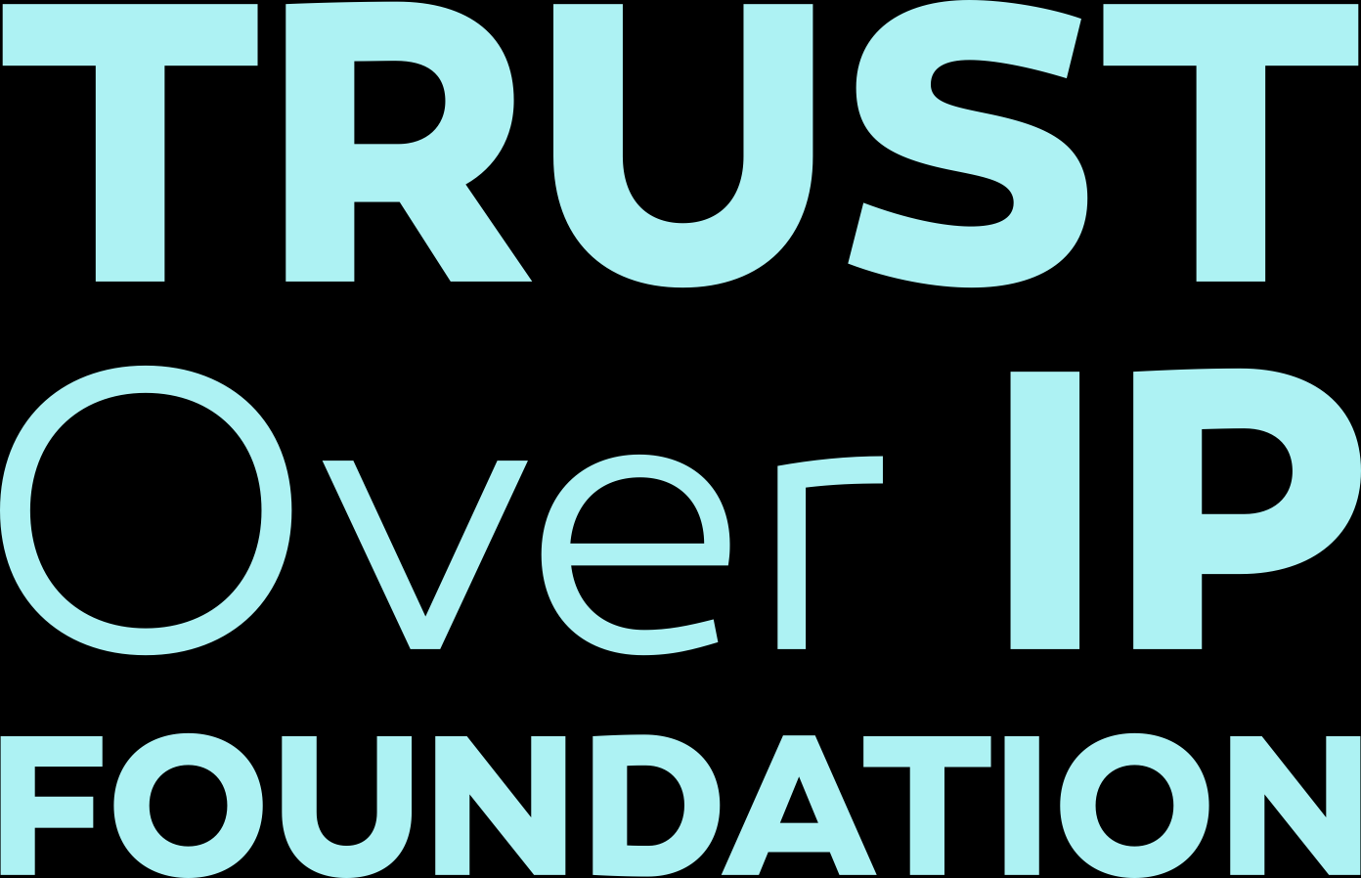 |  |  | Copyright © 2021, Trust Over IP Foundation. Please see terms of use | Trust Assurance Criteria Matrix Template
 | Worksheet Information

 | Author
 | Scott Perry — Scott S. Perry CPA, PLLC

 | Contributors
 | Line Kofoed — Sovrin Sankarshan Mukhopadhyay — Sovrin Karen Hand — Precision Strategic Solutions

 | Acknowledgements
 | The Trust over IP Trust Assurance Criteria Matrix Template contains structural elements from the Sovrin Trust Assurance Matrix V3 that were developed by Line Kofoed and Sankarshan Mukhopadhyay in the Sovrin Governance Framework Working Group and were contributed to the Trust Over IP Foundation under the CC BY-SA 4.0 licence

 | Revision History
 | Version | Date Approved | Revisions
 | 1 | 10/xx/2021 | Initial Publication

 | Terms of Use
 | These materials are made available under and are subject to the Creative Commons Attribution 4.0 International license (http://creativecommons.org/licenses/by/4.0/legalcode).

 | THESE MATERIALS ARE PROVIDED “AS IS.” The Trust Over IP Foundation, established as the Joint Development Foundation Projects, LLC, Trust Over IP Foundation Series ("ToIP"), and its members and contributors (each of ToIP, its members and contributors, a "ToIP Party") expressly disclaim any warranties (express, implied, or otherwise), including implied warranties of merchantability, non-infringement, fitness for a particular purpose, or title, related to the materials. The entire risk as to implementing or otherwise using the materials is assumed by the implementer and user.

 | IN NO EVENT WILL ANY ToIP PARTY BE LIABLE TO ANY OTHER PARTY FOR LOST PROFITS OR ANY FORM OF INDIRECT, SPECIAL, INCIDENTAL, OR CONSEQUENTIAL DAMAGES OF ANY CHARACTER FROM ANY CAUSES OF ACTION OF ANY KIND WITH RESPECT TO THESE MATERIALS, ANY DELIVERABLE OR THE ToIP GOVERNING AGREEMENT, WHETHER BASED ON BREACH OF CONTRACT, TORT (INCLUDING NEGLIGENCE), OR OTHERWISE, AND WHETHER OR NOT THE OTHER PARTY HAS BEEN ADVISED OF THE POSSIBILITY OF SUCH DAMAGE.

